1 - quantity_age
First Registrations of used Passenger Cars in Poland, 2025 - 2026 PZPM based on data from Centralna Ewidencja Pojazdow

 | Jan | Feb | Mar | Apr | May | Jun | Jul | Aug | Sep | Oct | Nov | Dec | Total
2025 | 69,287 | 69,649 | 77,652 | 79,122 | 72,653 | 69,240 | 78,330 | 66,914 | 73,773 | 77,057 | 59,809 | 64,074 | 857,560
2026 | 57,747 | 62,265 |  |  |  |  |  |  |  |  |  |  | 120,012
%change y/y | -16.7% | -10.6% |  |  |  |  |  |  |  |  |  |  | -13.6%
First Registrations of Used PC in Poland 2025 - 2026
 | 2025 | 2026
Jan | 69287 | 57747
Feb | 69649 | 62265
Mar | 77652
Apr | 79122
May | 72653
Jun | 69240
Jul | 78330
Aug | 66914
Sep | 73773
Oct | 77057
Nov | 59809
Dec | 64074
 |  |  |  |  |  |  |  |  | Age Structure Jan-Jan 2026
 |  |  |  |  |  |  |  |  |  | Number of vehicles | Share %
 |  |  |  |  |  |  |  |  | <=4 years | 11,453 | 9.5%
 |  |  |  |  |  |  |  |  | >4 years & <=10 years | 39,514 | 32.9%
 |  |  |  |  |  |  |  |  | >10 years | 69,045 | 57.5%
 |  |  |  |  |  |  |  |  | Total | 120,012 | 100.0%
First Registrations of Used Vehicles in year 2026 - age structure

source: PZPM based on CEP

2 - EURO_fuel

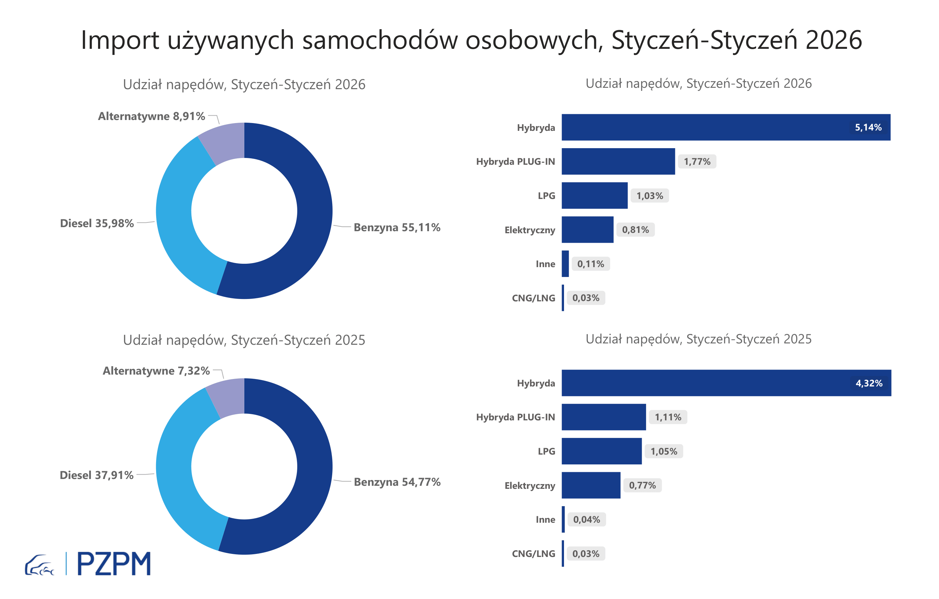

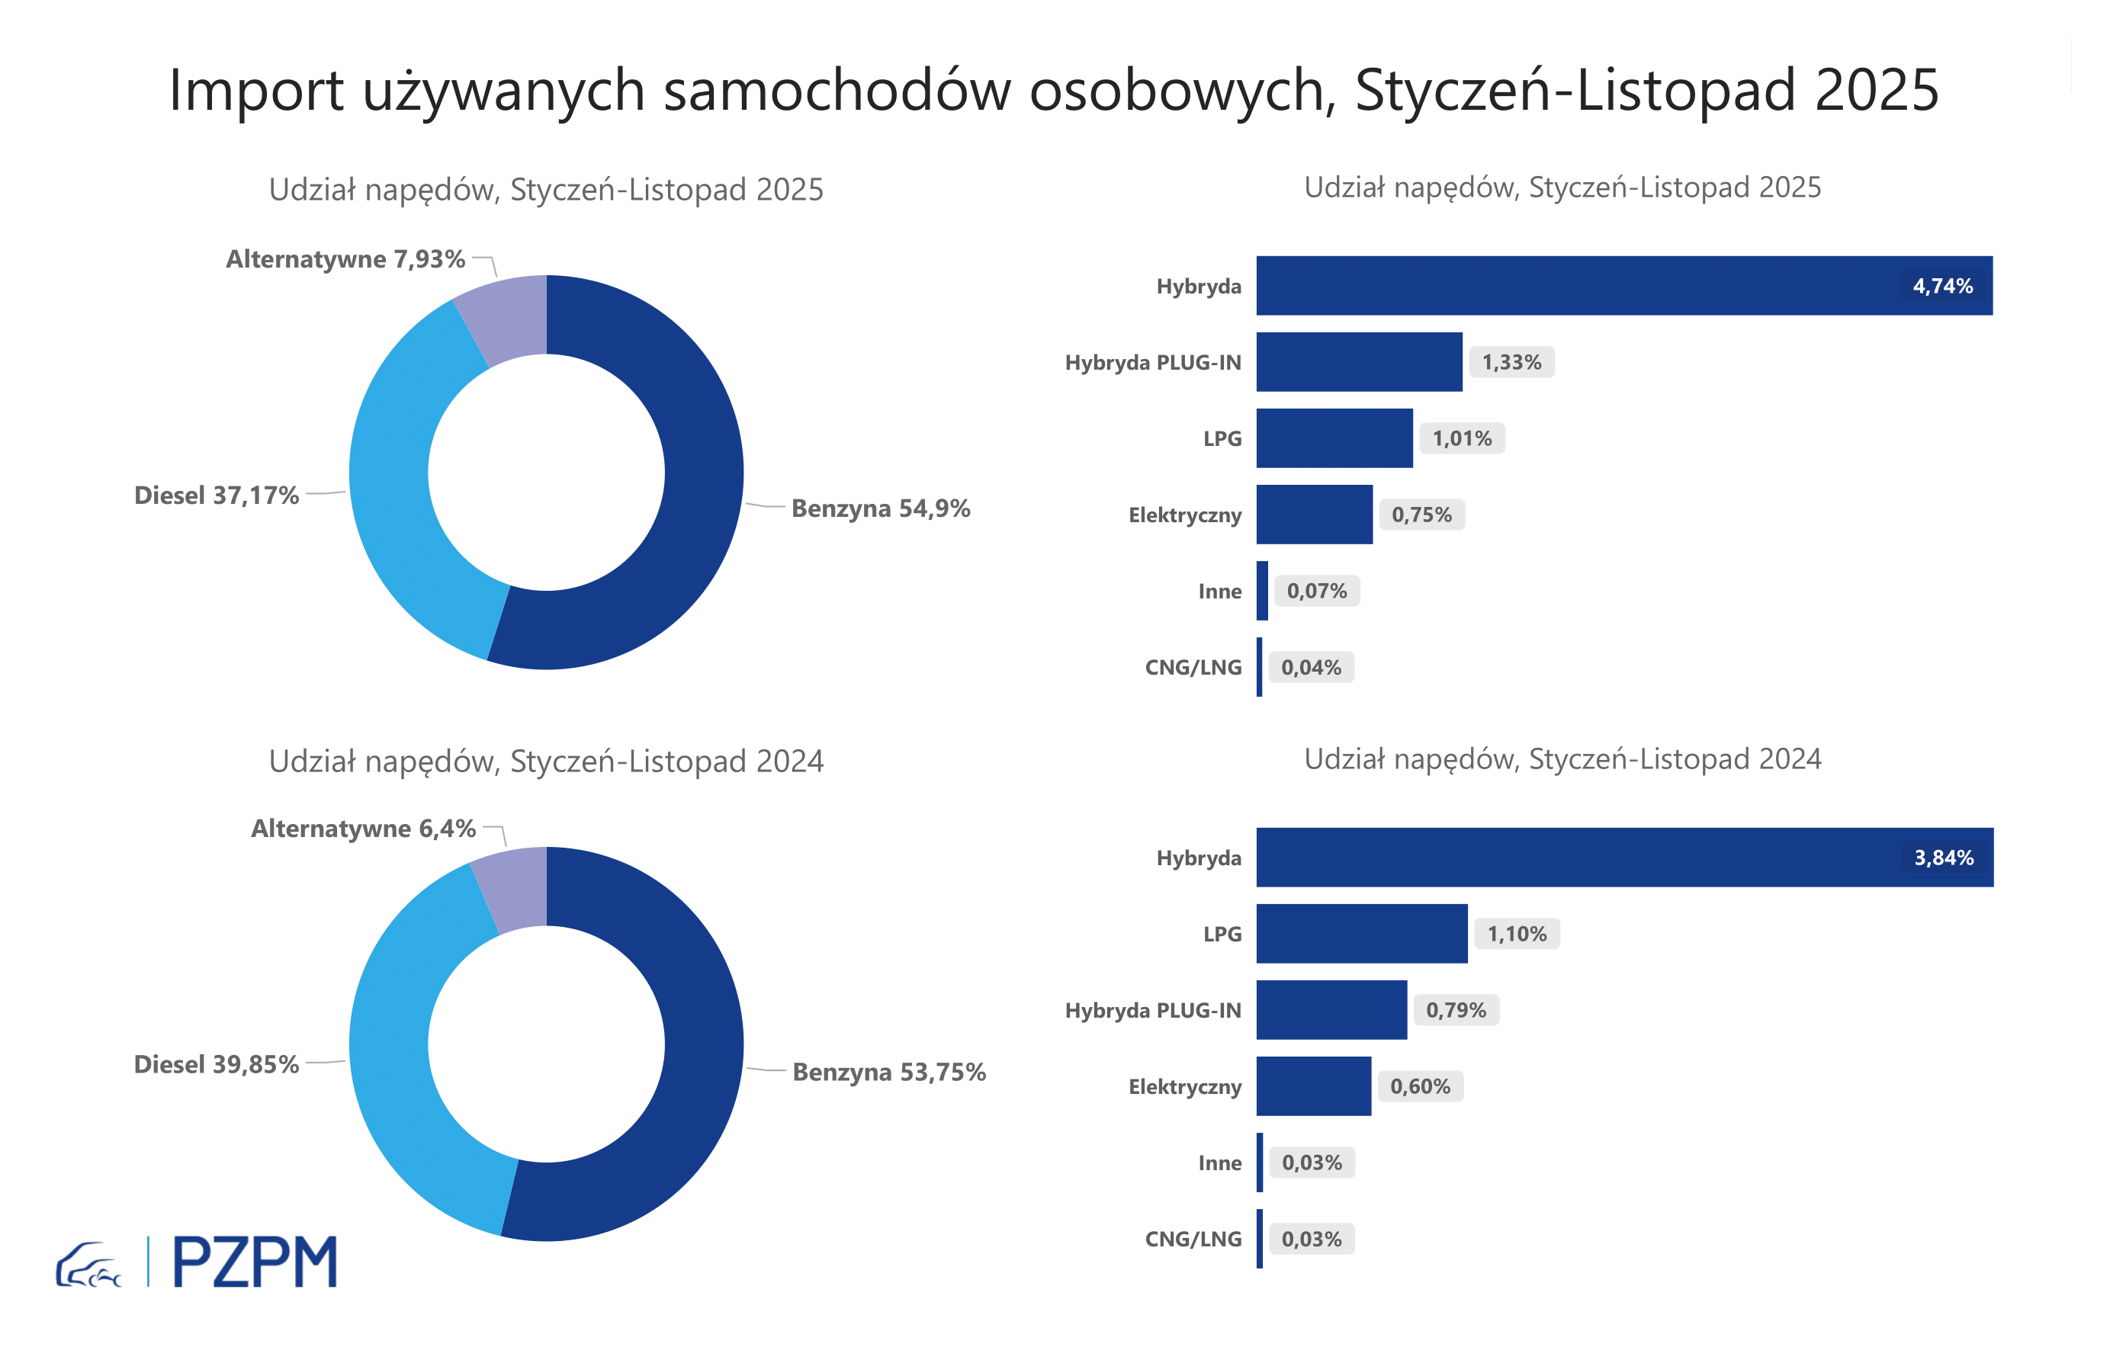

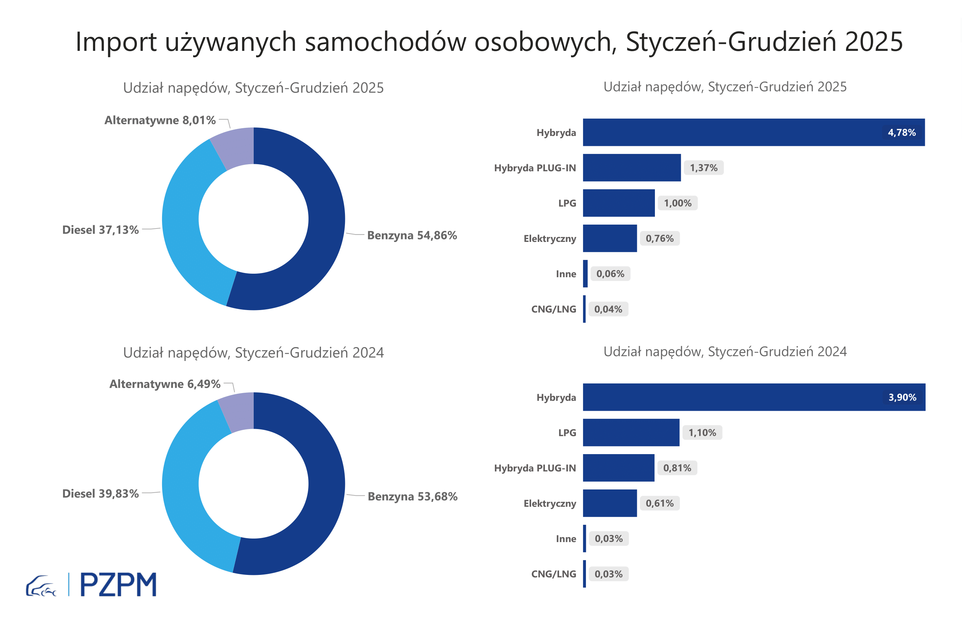
First Registrations of Used Passenger Cars by Fuel Type
Fuel Type | January-February 2025 |  | January-February 2026 |  | Volume Change y/y | Market Share Change y/y
 | thousand units | share % | thousand units | share %
Petrol | 76,0 | 54.7% | 66,3 | 55.2% | -12.8% | +0,5 pp
Diesel | 52,6 | 37.8% | 42,8 | 35.7% | -18.6% | -2,2 pp
AFV / Others | 10,4 | 7.5% | 10,9 | 9.1% | 5.3% | +1,6 pp
including:
Electric | 1.0 | 0.7% | 1.0 | 0.9% | -0.2% | +0,1 pp
Hybrid | 6.3 | 4.5% | 6.4 | 5.3% | 2.3% | +0,8 pp
Hybrid Plug-In | 1.5 | 1.1% | 2.1 | 1.8% | 38.5% | +0,7 pp
LPG | 1.4 | 1.0% | 1.2 | 1.0% | -16.4% | +0,0 pp
CNG/LNG | 0.1 | 0.0% | 0.0 | 0.0% | -10.0% | +0,0 pp
Others / N.A. | 0.1 | 0.0% | 0.1 | 0.1% | 82.0% | +0,0 pp

3 - TOP_brands
First registrations - used passenger cars imported to Poland - TOP 10 in 2026
First registrations of used passenger cars in Poland*
No.** | Make | January-February 2025 | January-February 2026 | Change % r/r
1 | FORD | 13,054 | 11,226 | -14.0%
2 | VOLKSWAGEN | 13,356 | 11,020 | -17.5%
3 | OPEL | 12,126 | 10,296 | -15.1%
4 | AUDI | 10,526 | 8,668 | -17.7%
5 | BMW | 8,614 | 7,443 | -13.6%
6 | MERCEDES-BENZ | 6,862 | 6,315 | -8.0%
7 | HYUNDAI | 6,370 | 5,954 | -6.5%
8 | PEUGEOT | 6,511 | 5,807 | -10.8%
9 | RENAULT | 5,980 | 5,098 | -14.7%
10 | KIA | 4,931 | 4,400 | -10.8%
* source: PZPM based on CEP
** based on registrations in 2025

